DB
Client Logo
Consultant Logo
Contractor Logo
 |  |  |  |  |  | WEEKLY DASHBOARD REPORT
 |  |  |  |  |  |  |  |  |  |  |  |  |  |  |  |  | Date: | 12-Jul-18
 |  |  |  |  |  |  |  |  |  |  |  |  |  |  |  |  | Data Date: | 5-Jul-18

 |  |  |  | PROJECT INFORMATION |  |  |  |  | SUBMITTAL KPI's |  |  |  |  | MANMONTHS

 | Civil - Submitted / Issued | Civil - Approved / Closed | MEP - Submitted / Issued | MEP - Approved / Closed | General - Submitted / Issued | General - Approved / Closed | ID - Submitted / Issued | ID - Approved / Closed
IR | 954 | 949 | 599 | 588 |  |  | 118 | 114
RFI | 62 | 56 | 66 | 60 |  |  | 34 | 30
SD | 89 | 83 | 289 | 267 |  |  | 22 | 11
MS | 120 | 115 | 155 | 147 |  |  | 44 | 38
NCR |  |  |  |  | 94 | 47
 | Planned | Actual
May-17 | 16 | 116
Jun-17 | 69 | 109
Jul-17 | 75 | 174
Aug-17 | 111 | 305
Sep-17 | 128 | 326
Oct-17 | 172 | 450
Nov-17 | 255 | 461
Dec-17 | 316 | 777
Jan-18 | 442 | 632
Feb-18 | 411 | 387
Mar-18 | 438 | 343
Apr-18 | 296 | 553
May-18 | 199 | 517
Jun-18 | 15 | 405
Jul-18 | 0 | 373
Aug-18
Sep-18
Oct-18
Nov-18
 |  |  |  | Project Title |  | :
PROJECT PIC to be Inserted
 |  |  |  | Owner |  | :

 |  |  |  | Consultant |  | :

 |  |  |  | Contractor |  | :

 |  |  |  | MEP Subcontractor |  | :

 |  |  |  | ID Subcontractor |  | :

 |  |  |  | PT Subcontractor |  | :

 |  |  |  | Commencement Date |  | :

 |  |  |  | Substructure Completion |  | :

 |  |  |  | Superstructure Completion |  | :

 |  |  |  | Contract Completion Date |  | :
PROGRESS S - CURVE |  |  |  |  |  | KEY DATES & STATUS |  |  |  |  |  | PROGRESS HIGHLIGHTS


FORECAST COMPLETION : 05-May-19
PLAN : 100%
ACTUAL : 60.73%
 |  |  |  |  |  | Milestone Activities |  |  | Milestone Dates | Forecast / Actual | Variance | 1 | Compoud wall works are in progress.
 |  |  |  |  |  |  |  |  |  |  |  | 2 | Casting of footings for compound walls is in progress.
 |  |  |  |  |  | Original Contract |  |  | 15-Mar-15 | 15-Mar-15 | 0 days | 3 | Staircase works in Area 2 are in progress.
 |  |  |  |  |  | Annexure - 1 |  |  | 24-May-16 | 24-May-16 | 0 days | 4 | MEP First Fix is in progress in all areas.
 |  |  |  |  |  | Annexure - 2 |  |  | 29-May-17 | 29-May-17 | 0 days | 5 | MEP Second Fix is in progress in all areas.
 |  |  |  |  |  | Building permit |  |  | 1-Mar-16 | 1-Mar-16 | 0 days | 6
 |  |  |  |  |  | Issue of Preliminary Design |  |  | 29-May-17 | 29-May-17 | 0 days | 7
 |  |  |  |  |  | Authorities Approvals (NOC / Permits) |  |  | 15-Jun-17 | 4-Sep-17 | -81 days | 8
 |  |  |  |  |  | Recieved Approved Final Drawings |  |  | 15-Jun-17 | 4-Sep-17 | -81 days | 9
 |  |  |  |  |  | ID Designs Drawings & Details |  |  | 1-Jul-17 | 5-Jul-18 | -369 days | 10
 |  |  |  |  |  | Submit & Nominate - MEP Subcontractor |  |  | 28-Feb-16 | 28-Feb-16 | 0 days | AUTHORITY APPROVALS
 |  |  |  |  |  | Submit & Nominate - Interior Subcontractor |  |  | 9-Jul-17 | 31-Dec-17 | -175 days
 |  |  |  |  |  | Completion - Substructure |  |  | 13-Sep-17 | 31-Jul-18 | -321 days | Description |  | Authority | Planned Approval | Forecast / Actual Approval |  | Variance
 |  |  |  |  |  | Completion - Superstructure |  |  | 30-Nov-17 | 5-Jul-18 | -217 days
 |  |  |  |  |  | Completion - Finishes & MEP |  |  | 17-Jun-18 | 8-Apr-19 | -295 days
 |  |  |  |  |  | Power On |  |  | 28-May-18 | 14-Mar-19 | -290 days | 1 | Authorities Approvals (NOC / Permits) | DCCA | 29-May-17 | 4-Sep-17 |  | -98 days
 |  |  |  |  |  | Permanent Power Supply |  |  | 28-May-18 | 14-Mar-19 | -290 days | 2 | Chilled Water Supply from Empower | EMPOWER | 5-Apr-18 | 22-Oct-18 |  | -200 days
 |  |  |  |  |  | Permanent Water Supply |  |  | 27-Jun-18 | 5-May-19 | -312 days | 3 | Inspection from Etisalat / DU | ETISALAT / DU | 5-Apr-18 | 22-Oct-18 |  | -200 days
 |  |  |  |  |  | Handing Over |  |  | 30-Jun-18 | 5-May-19 | -309 days | 4 | Inspection by Authority. for release of Power | DEWA | 28-May-18 | 14-Mar-19 |  | -290 days
 |  |  |  |  |  |  |  |  |  |  |  | 5 | Water Supply Inspection by Authority | DEWA | 20-Jun-18 | 30-Apr-19 |  | -314 days
TOP 5 - KEY ISSUES & RISKS |  |  |  |  |  | RECOMMENDATIONS & ACTIONS |  |  |  |  |  | LOOK AHEAD

Description |  |  |  | Status |  | Description |  |  |  | Who | Date | Activities |  |  |  |  | Who | When

1. | Delay in receipt of Final ID Design ( False Ceilng Layout). |  |  |  |  | 1. | Finalization of ID design has to be done at the earliest as the same will affect MEP works. |  |  | ID Contractor |  | 1. | Completion of Parapet / Toproof

2. | Variation Approvals. |  |  |  |  | 2. |  |  |  | CEC |  | 2. | Completion of Staircases.

3. | Delay in Payment for PC 14 , PC 17 , PC 18. |  |  |  |  | 3. |  |  |  | Client |  | 4. | Completion of Boundary Wall.

4. |  |  |  |  |  | 4. |  |  |  |  |  | 5 | Completion of Stone Cladding

5 |  |  |  |  |  | 5 |  |  |  |  |  | 6 | Starting of Roof Water proofing works

6 |  |  |  |  |  | 6 |  |  |  |  |  | 7 | Starting of Substation works

VARIATION ORDER |  |  |  |  |  | PROGRESS PAYMENT |  |  |  |  |  | PROCUREMENT

Description |  | Status | Submitted | Approval Date | Variance | Description |  | Payment Certificate |  | Payment Received |  | Description |  | Package Status | Selected Vendor | Original / Planned Date | Forecast / Actual Date | Variance
 |  |  |  |  |  |  |  | Value (AED) | Status | Value (AED) | Status
1 | Prolongation Cost for duration up to 29-May-17 | Approved | 19-Mar-17 | 5-Dec-17 | -261 days |  |  |  | Submitted |  | Invoiced
2 | Accelaration Cost | Approved | 24-Jun-17 | 10-Jul-17 | -16 days | Payment Application 14 |  | 5,091,767.24 | 24-Dec-17 | 3,000,000.00 | 25-Dec-17 |  | Key Subcontract Packages
3 | Rework substructure modification Phase 2 | Approved | 24-Oct-17 | 30-Oct-17 | -6 days |  |  |  |  | 1,000,000.00 | 8-Jan-18 | 1 | MEP | Approved |  | 27-Feb-16 | 27-Feb-16 | 0 days
4 | Sub & Sup related to revised drawings 04-Sep-17 | Under Review | 3-Dec-17 |  | -214 days |  |  |  |  | 1,000,000.00 | 30-Jan-18 | 2 | ID Subcontractor | Approved |  | 9-Jul-17 | 31-Dec-17 | -175 days
5 | Revised MEP price | Under Review | 21-Nov-17 |  | -226 days | Payment Application 17 |  | 7,569,528.59 | 5-Apr-18 |  |  | 3 | Shoring | Approved |  | 12-Mar-16 | 13-Mar-16 | -1 days
6 | Design change for steel reinforcement | Under Review | 10-Jan-18 |  | -176 days | Payment Application 18 |  | 4,601,454.76 | 25-Apr-18 |  |  | 4 | Waterproofing | Approved |  | 28-Nov-16 | 28-Nov-16 | 0 days
7 | Change in material rates for Steel,Concrete | Under Review | 10-Jan-18 |  | -176 days | Total |  | AED 17,262,751 | Total | AED 5,000,000 |  | 5 | Post Tension | Approved |  | 4-Feb-17 | 4-Feb-17 | 0 days
 | ,Block works & Road base |  |  |  |  | VARIATION PAYMENT |  |  |  |  |  | 6 | Steel Works | Approved |  | 25-Oct-17 | 9-Nov-17 | -15 days
8 | Aluminum changes in drawings and in systems | Approved | 20-Feb-18 | 5-Mar-18 | -135 days |  |  |  |  |  |  | 7 | Passenger Lifts | Approved |  | 15-Jul-17 | 14-Sep-17 | -61 days
9 | Lift modification (Lift opening L4,L5,L6 ) | Not Submitted |  |  |  |  |  |  | Submitted |  | Invoiced | 8 | Aluminium | Approved |  |  | 25-Jan-18
10 | MEP reworks - Underground drainage piping | Not Submitted |  |  |  | Accelaration Cost |  | 8,500,000 |  | 7,500,000 |  | 9 | Stone Cladding | Approved |  |  | 7-Feb-18
11 | Changing of parapets into steel works |  |  |  |  | Payment 1 |  |  |  | 2,000,000 | 13-Jul-17 | 10 | Lighting fixtures | Approved |  | 3-Aug-17 | 18-Mar-18 | -227 days
 | & Steel bridge in Area 3 first floor | Under Review | 12-Feb-18 |  | -143 days | Payment 2 |  |  |  | 1,500,000 | 3-Aug-17 | 11 | Landscape | Not Submitted |  | 28-Sep-17
12 | Additional lift in A2 SS & A2 | Under Review | 20-Feb-18 |  | -135 days | Payment 3 |  |  |  | 1,000,000 | 28-Aug-17 | 12 | Sanitary wares & accessoreis | Not Submitted |  | 18-Oct-17
13 | Roofing Material Quantity Variance | Not Submitted |  |  |  | Payment 4 |  |  |  | 1,000,000 | 17-Sep-17 | 13 | Footing switch for operation rooms | Not Submitted |  | 28-Oct-17
14 | Rework for Phase 1 | Not Submitted |  |  |  | Payment 5 |  |  |  | 1,000,000 | 25-Dec-17 | 14 | Security & CCTV system | Not Submitted |  | 31-Oct-17
15 | MEP additional works in bunker area | Under Review | 1-Apr-18 |  | -95 days | Payment 5 |  |  |  | 1,000,000 | 21-Feb-18 | 15 | SMATV equipment | Not Submitted |  | 6-Nov-17
16 | Enabling Works (Light Distribution) | Under Review | 24-Apr-18 |  |  | Prolongation Cost |  | 2,800,000 | 19-Mar-17 | 2,800,000 | 6-Dec-17 | 16 | Master clock system | Not Submitted |  | 18-Nov-17
17 | Enabling Works (Power Distribution) | Under Review | 24-Apr-18 |  |  | Rework For Phase 2 |  | 1,273,664 | 24-Oct-17 | 1,273,664 |  | 17 | PABX system | Not Submitted |  | 22-Nov-17
 |  |  |  |  |  |  |  |  |  |  |  | 18 | Access system for radio therpy area | Not Submitted |  | 25-Nov-17
 |  |  |  |  |  | Total |  | 12,573,664 | Total | 11,573,664

CIVIL PICS
CIVIL PROGRESS WORKS
(30-Jun-2018 to 05-Jul-2018)
Area 2 - Stone Cladding Works | Area 3 -Compound Wall Works - Bitumen Painting | Elevation 2 - Aluminium First Fix Works | Elevation 2 - Stone Cladding Works
PROJECT PIC to be Inserted

Elevation 2 & 3 - Stone Cladding Works | Elevation 4 - Stone Cladding Works | Front Side view - 1 | Elevation 3 - Internal Aluminium first fix works

Elevation 1 - Roof Stone Cladding Works | Hospital Front SIde Elevation 1 view | Elevation 3 - Internal Aluminium first fix works | Elevation 5 - Stone Cladding Works

MEP PICS
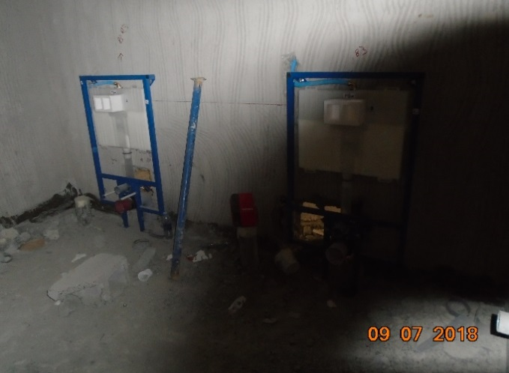
MEP PROGRESS WORKS
(30-Jun-2018 to 05-Jul-2018)
AC Duct Installation (Basement Floor) | AC Duct Installation (Ground Floor) | AC Duct Installation (1st Floor) | AC Duct Installation (2nd Floor)

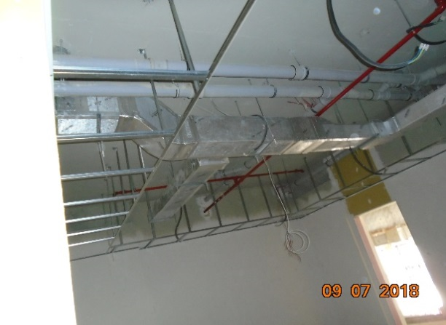

Cable Tray & Trunking Installation (2nd Floor) | Wiring Installation (Basement Floor) | DB's Installation (1st Floor) | Cable Tray & Trunking Installation (Ground Floor)
PROJECT PIC to be Inserted
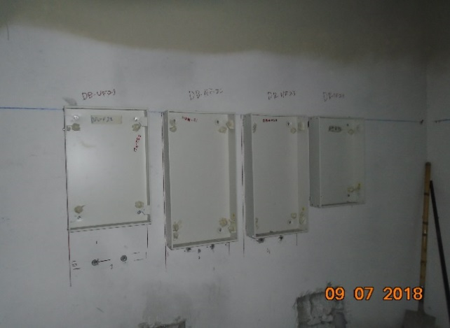
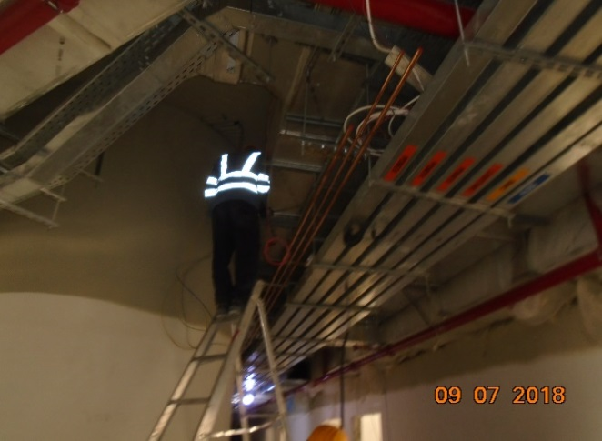

Installation of PPR Pipes and Valves (1st Floor) | Installation of WC Frame (Ground Floor) | Instlatallation of PEX Pipes & Drainage Pipes (Basement Kitchen Floor) | Installation of WC Frame (Second Floor)

Data
PROJECT PROGRESS

 | Weekly Planned | Weekly Actual | Cum. Planned | Cum. Actual
1
2 | 0.01% | 0.01% | 0.01% | 0.01%
3 | 0.22% | 0.22% | 0.23% | 0.23%
4 | 0.39% | 0.39% | 0.63% | 0.63%
5 | 0.41% | 0.41% | 1.03% | 1.03%
6 | 0.41% | 0.41% | 1.44% | 1.44%
7 | 0.41% | 0.41% | 1.84% | 1.84%
8 | 0.21% | 0.21% | 2.06% | 2.06%
9 | 0.04% | 0.04% | 2.10% | 2.10%
10 | 0.04% | 0.04% | 2.15% | 2.15%
11 | 0.04% | 0.04% | 2.19% | 2.19%
12 | 0.04% | 0.04% | 2.24% | 2.24%
13 | 0.04% | 0.04% | 2.28% | 2.28%
14 | 0.04% | 0.04% | 2.33% | 2.33%
15 | 0.04% | 0.04% | 2.37% | 2.37%
16 | 0.20% | 0.20% | 2.57% | 2.57%
17 | 1.20% | 1.20% | 3.77% | 3.77%
18 | 1.20% | 1.20% | 4.97% | 4.97%
19 | 1.20% | 1.20% | 6.16% | 6.16%
20 | 1.20% | 1.20% | 7.36% | 7.36%
21 | 0.20% | 0.20% | 7.56% | 7.56%
22 | 0.00% | 0.02% | 7.56% | 7.58%
23 | 0.00% | 0.17% | 7.56% | 7.75%
24 | 0.00% | 0.21% | 7.56% | 7.96%
25 | 0.00% | 0.42% | 7.56% | 8.38%
26 | 0.00% | 0.13% | 7.56% | 8.52%
27 | 0.00% | 0.06% | 7.56% | 8.57%
28 | 0.00% | 0.13% | 7.56% | 8.70%
29 | 0.09% | 0.19% | 7.65% | 8.89%
30 | 0.20% | 0.23% | 7.85% | 9.12%
31 | 0.23% | 0.59% | 8.07% | 9.71%
32 | 0.21% | 0.38% | 8.28% | 10.09%
33 | 0.36% | 0.50% | 8.64% | 10.59%
34 | 0.49% | 0.58% | 9.13% | 11.18%
35 | 1.12% | 0.67% | 10.24% | 11.85%
36 | 1.29% | 0.63% | 11.54% | 12.48%
37 | 2.95% | 0.74% | 14.49% | 13.22%
38 | 2.58% | 1.02% | 17.07% | 14.23%
39 | 4.05% | 1.02% | 21.12% | 15.26%
40 | 3.25% | 1.02% | 24.36% | 16.28%
41 | 3.62% | 1.06% | 27.98% | 17.34%
42 | 2.30% | 1.14% | 30.28% | 18.47%
43 | 1.85% | 1.15% | 32.13% | 19.62%
44 | 1.60% | 1.34% | 33.73% | 20.96%
45 | 0.94% | 1.29% | 34.67% | 22.24%
46 | 1.10% | 1.34% | 35.77% | 23.59%
47 | 1.69% | 1.41% | 37.46% | 25.00%
48 | 1.82% | 1.14% | 39.28% | 26.14%
49 | 1.15% | 1.01% | 40.43% | 27.15%
50 | 1.46% | 1.04% | 41.89% | 28.19%
...

PROJECT PROGRESS S-CURVE (Progress/WEEK)
 |  |  |  |  |  |  |  |  |  |  |  |  |  |  |  |  |  |  |  |  |  |  |  |  |  |  |  |  |  |  |  |  |  |  |  |  |  |  |  |  |  |  |  |  |  |  |  |  |  |  |  |  |  |  |  |  |  |  |  |  |  |  |  |  |  |  |  |  |  |  |  |  |  |  |  |  |  |  |  |  |  |  |  |  |  |  |  |  |  |  |  |  |  |  |  |  |  |  |  | TOTAL
Start Date of the Week | 3-Mar-16 | 10-Mar-16 | 17-Mar-16 | 24-Mar-16 | 31-Mar-16 | 7-Apr-16 | 14-Apr-16 | 21-Apr-16 | 28-Apr-16 | 5-May-16 | 12-May-16 | 19-May-16 | 26-May-16 | 2-Jun-16 | 23-Feb-17 | 2-Mar-17 | 9-Mar-17 | 16-Mar-17 | 23-Mar-17 | 30-Mar-17 | 6-Apr-17 | 13-Apr-17 | 20-Apr-17 | 27-Apr-17 | 4-May-17 | 11-May-17 | 18-May-17 | 25-May-17 | 1-Jun-17 | 8-Jun-17 | 15-Jun-17 | 22-Jun-17 | 29-Jun-17 | 6-Jul-17 | 13-Jul-17 | 20-Jul-17 | 27-Jul-17 | 3-Aug-17 | 10-Aug-17 | 17-Aug-17 | 24-Aug-17 | 31-Aug-17 | 7-Sep-17 | 14-Sep-17 | 21-Sep-17 | 28-Sep-17 | 5-Oct-17 | 12-Oct-17 | 19-Oct-17 | 26-Oct-17 | 2-Nov-17 | 9-Nov-17 | 16-Nov-17 | 23-Nov-17 | 30-Nov-17 | 7-Dec-17 | 14-Dec-17 | 21-Dec-17 | 28-Dec-17 | 4-Jan-18 | 11-Jan-18 | 18-Jan-18 | 25-Jan-18 | 1-Feb-18 | 8-Feb-18 | 15-Feb-18 | 22-Feb-18 | 1-Mar-18 | 8-Mar-18 | 15-Mar-18 | 22-Mar-18 | 29-Mar-18 | 5-Apr-18 | 12-Apr-18 | 19-Apr-18 | 26-Apr-18 | 3-May-18 | 10-May-18 | 17-May-18 | 24-May-18 | 31-May-18 | 7-Jun-18 | 14-Jun-18 | 21-Jun-18 | 28-Jun-18 | 5-Jul-18 | 12-Jul-18 | 19-Jul-18 | 26-Jul-18 | 2-Aug-18 | 9-Aug-18 | 16-Aug-18 | 23-Aug-18 | 30-Aug-18 | 6-Sep-18 | 13-Sep-18 | 20-Sep-18 | 27-Sep-18 | 4-Oct-18
 | 1 | 2 | 3 | 4 | 5 | 6 | 7 | 8 | 9 | 10 | 11 | 12 | 13 | 14 | 15 | 16 | 17 | 18 | 19 | 20 | 21 | 22 | 23 | 24 | 25 | 26 | 27 | 28 | 29 | 30 | 31 | 32 | 33 | 34 | 35 | 36 | 37 | 38 | 39 | 40 | 41 | 42 | 43 | 44 | 45 | 46 | 47 | 48 | 49 | 50 | 51 | 52 | 53 | 54 | 55 | 56 | 57 | 58 | 59 | 60 | 61 | 62 | 63 | 64 | 65 | 66 | 67 | 68 | 69 | 70 | 71 | 72 | 73 | 74 | 75 | 76 | 77 | 78 | 79 | 80 | 81 | 82 | 83 | 84 | 85 | 86 | 87 | 88 | 89 | 90 | 91 | 92 | 93 | 94 | 95 | 96 | 97 | 98 | 99
Project Progress

Weekly Planned |  | 0.01% | 0.22% | 0.39% | 0.41% | 0.41% | 0.41% | 0.21% | 0.04% | 0.04% | 0.04% | 0.04% | 0.04% | 0.04% | 0.04% | 0.20% | 1.20% | 1.20% | 1.20% | 1.20% | 0.20% | 0.00% | 0.00% | 0.00% | 0.00% | 0.00% | 0.00% | 0.00% | 0.09% | 0.20% | 0.23% | 0.21% | 0.36% | 0.49% | 1.12% | 1.29% | 2.95% | 2.58% | 4.05% | 3.25% | 3.62% | 2.30% | 1.85% | 1.60% | 0.94% | 1.10% | 1.69% | 1.82% | 1.15% | 1.46% | 1.48% | 1.69% | 1.36% | 1.35% | 1.09% | 1.14% | 2.01% | 2.06% | 1.93% | 1.67% | 2.05% | 1.78% | 1.74% | 2.53% | 2.30% | 2.96% | 2.46% | 4.55% | 4.48% | 3.37% | 1.89% | 2.46% | 2.51% | 1.15% | 0.76% | 0.99% | 1.36% | 1.11% | 0.64% | 0.39% | 0.23% | 0.15% | 0.33% | 0.12% | 0.02% | 0.00% |  |  |  |  |  |  |  |  |  |  |  |  |  | 100%
Cum. Planned |  | 0.01% | 0.23% | 0.63% | 1.03% | 1.44% | 1.84% | 2.06% | 2.10% | 2.15% | 2.19% | 2.24% | 2.28% | 2.33% | 2.37% | 2.57% | 3.77% | 4.97% | 6.16% | 7.36% | 7.56% | 7.56% | 7.56% | 7.56% | 7.56% | 7.56% | 7.56% | 7.56% | 7.65% | 7.85% | 8.07% | 8.28% | 8.64% | 9.13% | 10.24% | 11.54% | 14.49% | 17.07% | 21.12% | 24.36% | 27.98% | 30.28% | 32.13% | 33.73% | 34.67% | 35.77% | 37.46% | 39.28% | 40.43% | 41.89% | 43.37% | 45.06% | 46.41% | 47.77% | 48.85% | 49.99% | 52.00% | 54.06% | 55.99% | 57.67% | 59.72% | 61.50% | 63.24% | 65.77% | 68.07% | 71.03% | 73.50% | 78.04% | 82.53% | 85.89% | 87.78% | 90.24% | 92.75% | 93.90% | 94.67% | 95.66% | 97.02% | 98.12% | 98.77% | 99.16% | 99.39% | 99.54% | 99.86% | 99.98% | 100.00% | 100.00%
Weekly Actual |  | 0.01% | 0.22% | 0.39% | 0.41% | 0.41% | 0.41% | 0.21% | 0.04% | 0.04% | 0.04% | 0.04% | 0.04% | 0.04% | 0.04% | 0.20% | 1.20% | 1.20% | 1.20% | 1.20% | 0.20% | 0.02% | 0.17% | 0.21% | 0.42% | 0.13% | 0.06% | 0.13% | 0.19% | 0.23% | 0.59% | 0.38% | 0.50% | 0.58% | 0.67% | 0.63% | 0.74% | 1.02% | 1.02% | 1.02% | 1.06% | 1.14% | 1.15% | 1.34% | 1.29% | 1.34% | 1.41% | 1.14% | 1.01% | 1.04% | 1.11% | 1.05% | 1.11% | 0.98% | 0.99% | 0.76% | 0.73% | 0.76% | 1.04% | 1.01% | 0.98% | 0.98% | 0.86% | 0.42% | 0.42% | 0.35% | 0.44% | 0.42% | 0.25% | 0.78% | 0.16% | 0.40% | 3.31% | 3.27% | 1.26% | 1.71% | 1.00% | 0.47% | -0.10% | 1.89% | 2.04% | 0.68% | 0.18% | 0.51% | 0.17% | 0.16% |  |  |  |  |  |  |  |  |  |  |  |  |  | 60.73%
Cum. Actual |  | 0.01% | 0.23% | 0.63% | 1.03% | 1.44% | 1.84% | 2.06% | 2.10% | 2.15% | 2.19% | 2.24% | 2.28% | 2.33% | 2.37% | 2.57% | 3.77% | 4.97% | 6.16% | 7.36% | 7.56% | 7.58% | 7.75% | 7.96% | 8.38% | 8.52% | 8.57% | 8.70% | 8.89% | 9.12% | 9.71% | 10.09% | 10.59% | 11.18% | 11.85% | 12.48% | 13.22% | 14.23% | 15.26% | 16.28% | 17.34% | 18.47% | 19.62% | 20.96% | 22.24% | 23.59% | 25.00% | 26.14% | 27.15% | 28.19% | 29.30% | 30.35% | 31.46% | 32.44% | 33.42% | 34.18% | 34.92% | 35.67% | 36.71% | 37.73% | 38.71% | 39.69% | 40.55% | 40.97% | 41.38% | 41.73% | 42.17% | 42.60% | 42.84% | 43.62% | 43.78% | 44.18% | 47.49% | 50.76% | 52.02% | 53.73% | 54.73% | 55.20% | 55.10% | 56.99% | 59.03% | 59.71% | 59.89% | 60.40% | 60.57% | 60.73%

Plan |  |  |  |  |  |  |  |  |  |  |  |  |  |  |  |  |  |  |  |  |  |  |  |  |  |  |  |  |  |  |  |  |  |  |  |  |  |  |  |  |  |  |  |  |  |  |  |  |  |  |  |  |  |  |  |  |  |  |  |  |  |  |  |  |  |  |  |  |  |  |  |  |  |  |  |  |  |  |  |  |  |  |  |  |  |  |  |  |  |  |  |  |  |  |  |  |  |  |  |  | -

ACTUAL

